Math Student Growth Summary Rep
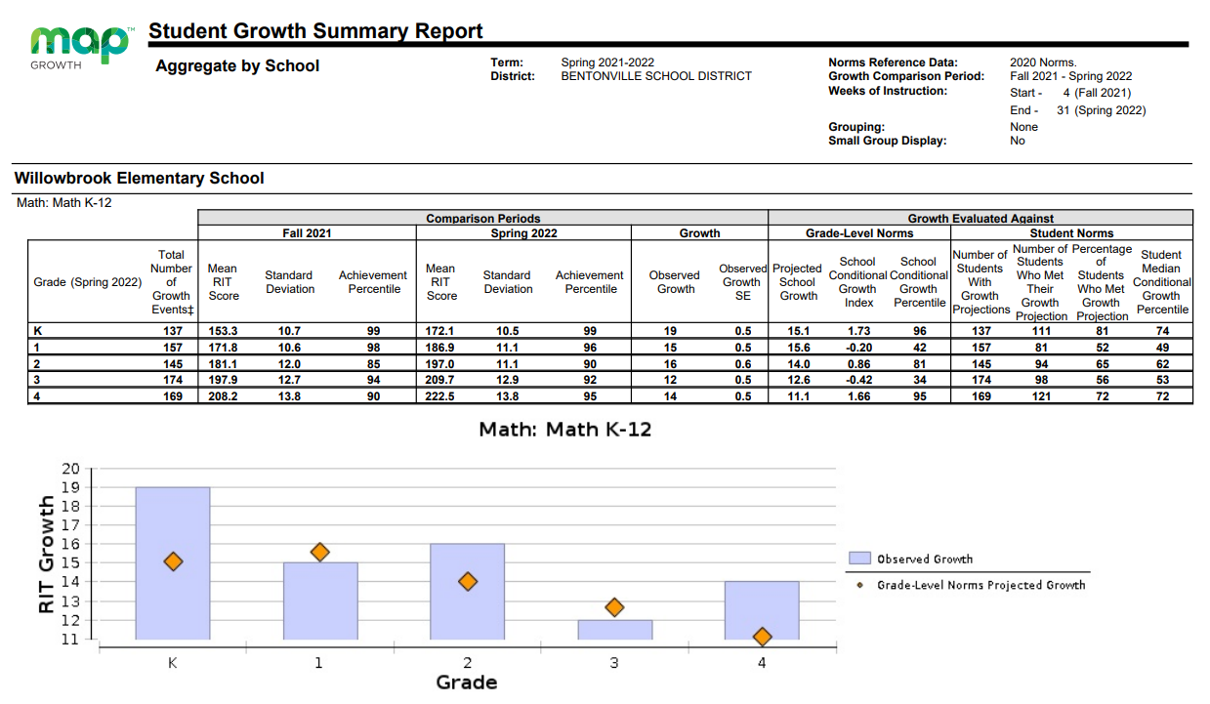

Spring | K | 3.9 over projected growth | Winter | K | 3.6 over projected growth
 | 1st | .6 below projected growth |  | 1st | .2 below projected growth
 | 2nd | 2 over projected growth |  | 2nd | 1 over projected growth
 | 3rd | .6 below projected growth |  | 3rd | .1 below projected growth
 | 4th | 2.9 over projected growth |  | 4th | 1 above projected growth

Literacy Student Growth Summary
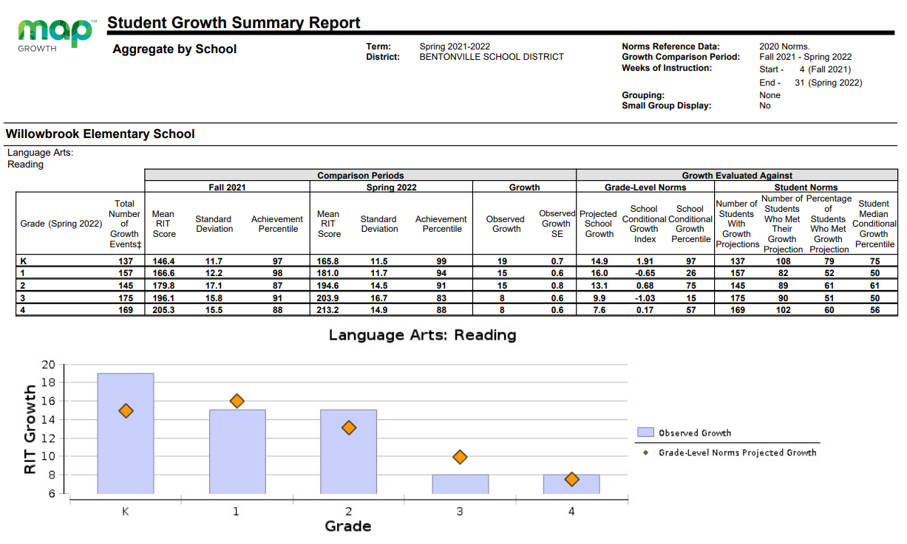

Spring | K | 4.1 over projected growth | Winter Growth | K | 3 over projected growth
 | 1st | 1 below projected growth |  | 1st | 1.3 below projected growth
 | 2nd | 1.9 over projected growth |  | 2nd | 1 over projected growth
 | 3rd | 1.9 below projected growth |  | 3rd | .3 below projected growth
 | 4th | .4 over projected growth |  | 4th | 1 over projected growth

Kindergarten Math
WES MAP Math Growth Winter and Spring
WES Kindergarten Math Growth | Andrews | Elington | Elkins | Jackman | Long | Owens | Shiohira | Smith
Winter | 83.30% | 70.60% | 82.40% | 68.40% | 76.50% | 94.10% | 94.10% | 78.90%
Spring | 61.10% | 88.20% | 81.30% | 77.80% | 82.40% | 94.10% | 87.50% | 77.80%

Percentage of students close to or above end of year RIT Goal in the Fall (136 or higher)
Andrews | Elington | Elkins | Jackman | Long | Owens | Shiohira | Smith
95% | 85% | 80% | 85% | 89.40% | 100% | 83% | 85%

Kindergarten Literacy
WES MAP Literacy Growth Winter and Spring
WES Kindergarten MAP Literacy Growth | Andrews | Elington | Elkins | Jackman | Long | Owens | Shiohira | Smith
Winter | 72.20% | 88.20% | 64.70% | 36.80% | 88.20% | 64.70% | 94.10% | 84.20%
Spring | 88.90% | 82.40% | 81.30% | 66.70% | 76.50% | 58.80% | 87.50% | 88.90%

Percentage of students close to or above end of year RIT Goal in the Fall (141 or higher)
Andrews | Elington | Elkins | Jackman | Long | Owens | Shiohira | Smith
95% | 78% | 62.50% | 61% | 39% | 68% | 50% | 58%

First Grade Math
WES MAP Math Growth Winter and Spring
WES 1st Grade MAP Math Growth | Brumfield | Davenport | Fewell | Foreman | Hughes | Phillips | Richard
Winter | 54.20% | 75% | 47.60% | 65.20% | 54.20% | 48% | 57.10%
Spring | 25% | 52.60% | 52.40% | 69.60% | 58.30% | 44% | 57.10%

Percentage of students close to or above end of year RIT Goal in the Fall (157 or higher)
Brumfield | Davenport | Fewell | Foreman | Hughes | Phillips | Richard
80% | 75% | 75% | 76% | 92% | 100% | 83%

First Grade Literacy
WES MAP Literacy Growth Winter and Spring
WES 1st Grade MAP Math Growth | Brumfield | Davenport | Fewell | Foreman | Hughes | Phillips | Richard
Winter | 41.70% | 50% | 52.40% | 43.50% | 54.20% | 56% | 61.90%
Spring | 50% | 63.20% | 60% | 52.20% | 58.30% | 41.70% | 47.60%

Percentage of students close to or above end of year RIT Goal in the Fall (160 or higher)
Brumfield | Davenport | Fewell | Foreman | Hughes | Phillips | Richard
56% | 58% | 60% | 68% | 79% | 72% | 58%

Second Grade Math
WES MAP Math Growth Winter and Spring
WES 2nd Grade MAP Math Growth | Brown | Hartsock | McNabb | Norris | Poland | Stark | Tucker
Winter | 59.10% | 66.70% | 68.20% | 68.40% | 70.80% | 59.10% | 66.70%
Spring | 66.70% | 44.40% | 72.70% | 68.80% | 71% | 69.60% | 61.90%

Percentage of students close to or above end of year RIT Goal in the Fall (172 or higher)
Brown | Hartsock | McNabb | Norris | Poland | Stark | Tucker
100% | 52% | 58.30% | 71% | 84% | 78% | 83%

Second Grade Literacy
WES MAP Literacy Growth Winter and Spring
WES 2nd Grade MAP Literacy Growth | Brown | Hartsock | McNabb | Norris | Poland | Stark | Tucker
Winter | 59.10% | 55.60% | 36.40% | 68.40% | 70.80% | 68.20% | 71.40%
Spring | 47.60% | 55.60% | 68.20% | 50.00% | 70.80% | 56.50% | 71.40%

Percentage of students close to or above end of year RIT Goal in the Fall (179 or higher)
Brown | Hartsock | McNabb | Norris | Poland | Stark | Tucker
58% | 39% | 33.30% | 52% | 64% | 43% | 50%

Third Grade Math
WES MAP Literacy Growth Winter and Spring
WES 3rd Grade MAP Math Growth | Adams | Duval | Eason | Herdes | Pearson | Rhine | Rooks | Vaught
Winter | 60.90% | 15.00% | 37.50% | 52.40% | 60.00% | 60.90% | 81.00% | 59.10%
Spring | 73.90% | 33.30% | 45.80% | 52.40% | 55.00% | 59.10% | 85.00% | 50%

Percentage of students close to or above end of year RIT Goal in the Fall (185 or higher)
Adams | Duval | Eason | Herdes | Pearson | Rhine | Rooks | Vaught
83% | 78% | 83.00% | 83%

Third Grade Literacy
WES MAP Literacy Growth Winter and Spring
WES 3rd Grade MAP Literacy Growth | Adams | Duval | Eason | Herdes | Pearson | Rhine | Rooks | Vaught
Winter | 56.50% | 55.00% | 54.20% | 50.00% | 50% | 52.20% | 61.90% | 54.50%
Spring | 60.90% | 38.10% | 45.80% | 54.50% | 55.00% | 45.50% | 55.00% | 59.10%

Percentage of students close to or above end of year RIT Goal in the Fall (192 or higher)
Adams | Duval | Eason | Herdes | Pearson | Rhine | Rooks | Vaught
58% | 57% | 67.00% | 65%

Fourth Grade Math
WES MAP Literacy Growth Winter and Spring
WES 4th Grade MAP Math Growth | Carter | Eckert | Jennings | Lighlyter | McDaniel | Rushing | Tarp
Winter | 76.00% | 68.00% | 79.20% | 58.30% | 47.80% | 68.00% | 43.50%
Spring | 75.00% | 68.00% | 87.50% | 84.00% | 52.20% | 60.00% | 73.90%

Percentage of students close to or above end of year RIT Goal in the Fall (198 or higher)
Carter | Eckert | Jennings | Lighlyter | McDaniel | Rushing | Tarp

Fourth Grade Literacy
WES MAP Literacy Growth Winter and Spring
WES 4th Grade MAP Literacy Growth | Carter | Eckert | Jennings | Lighlyter | McDaniel | Rushing | Tarp
Winter | 60.00% | 60.00% | 62.50% | 62.50% | 52.20% | 60.00% | 60.90%
Spring | 54.20% | 56.00% | 70.80% | 72.00% | 43.50% | 60.00% | 65.20%

Percentage of students close to or above end of year RIT Goal in the Fall (199 or higher)
Carter | Eckert | Jennings | Lighlyter | McDaniel | Rushing | Tarp

